KKO
KAJIAN KELAYAKAN OPERASI

DAYA LAMA |  |  |  | DAYA BARU
Nama Pelanggan | : | PONPES CAHAYA TASBIH |  | Nama Pelanggan | : | PONPES CAHAYA TASBIH
Daya Lama (VA) | : | 33000 |  | Daya Baru (VA) | : | 64000
Jumlah Fasa | : | 3 | * | Jumlah Fasa | : | 3
Tegangan Sekunder Pengukuran rata-rata (Fasa-Netral) (V) | : | 380 | * | Tegangan Sekunder Pengukuran rata-rata (Fasa-Netral) (V) | : | 380
Beban Pelanggan (A) | : | 50.14 |  | Beban Pelanggan (A) | : | 97.24

SUPLAI TRAFO EKSISTING |  |  |  | SUPLAI TRAFO RENCANA
Nomor Tiang | : | T1-180/36/1 |  | Nomor Tiang | : | T1-180/36/1
Penyulang | : | PWI 06 |  | Penyulang | : | PWI 06
Daya | : |  | * | Daya | : | 100
Jumlah Fasa | : |  | * | Jumlah Fasa | : | 3
Beban TRAFO (Pengukuran Lapangan) |  | 35 |  | Beban TRAFO | : | 97.24
Beban Primer | : | 0.00 | * | Beban Primer | : | 2.89
Beban Sekunder | : | 0.00 | * | Beban Sekunder | : | 151.93
Beban (A) | : | 0.00 |  | Beban (A) | : | 0.15
Prosentase Pembebanan | : | #DIV/0! |  | Beban (A) | : | 64%
 | 64% | 100%
Prosentase Pembebanan | : | 100% |  | Beban (A) | : | 100%

DATA





DATA
Tahun | : | 2022
Discount Rate | : | 12%
Transfer price TM | : | 1,084 |  | Marginal COST maret 2022
Umur ekonomis (tahun) | : | 25.00
Selisih Susut Teknis | : | 2.25%
∑ Daya | : | 31
BP (Rp) | : | 30,039,000
RAB (Rp) | : | 87,397,580
Biaya O&M (2% invest) | : | 1,747,951.61

Nama Pelanggan | : | PONPES CAHAYA TASBIH | *
Golongan Pelanggan | : | S2 | *
Jenis Layanan | : | REGULER | *
Daya Lama (kVA) | : | 33 | *
Daya Baru (kVA) | : | 64 | *
Tarif WBP (Rp/kWh) | : | 900.00 | *
Tarif LWBP (Rp/kWh) | : | 900.00 | *
BP (Rp/VA) TR | : | 969 | *
Jam Nyala | : | 40 | *

RAB
 |  | PT. PLN ( PERSERO )
 |  | UNIT INDUK DISTRIBUSI JAWA TENGAH & DI YOGYAKARTA |  |  |  |  |  |  |  |  |  | RAB TOTAL
 |  | UP3 DEMAK |  |  |  |  |  |  |  |  | RAB TOTAL | RAB NON MDU
 | RENCANA ANGGARAN BIAYA (RAB)

 |  |  |  | Pekerjaan | : | PONPES CAHAYA TASBIH
 |  |  |  | Lokasi | : | BALEROMO 01/02 DEMPET
 |  |  |  | Pelaksana | : | UP3 DEMAK
 |  |  |  | Anggaran | : | SAR 2023

Note !! 1. Saat Pengisian Uraian di mohon memasukan nama material sesuai dengan nama material di harga satuan
2. Mohon di cek kembali saat pengisian volume material
3. Untuk program Sarana Penunjang Fungsi tidak perlu SLO.
 | NO | URAIAN | GOL | SAT | VOL | HARGA SATUAN | BIAYA YANG DIPERLUKAN ( Rp )
 |  |  |  |  |  |  | MDU | HARDWARE | JASA | JUMLAH

 |  |  |  |  |  | 0 | 0 | 0 | 0 | 0
#REF! | I | PEMASANGAN TRAFO |  |  |  | 0 | 0 | 0 | 0 | 0
 |  |  |  |  |  | 0 | 0 | 0 | 0 | 0
 | + | Uptaring Trafo 3 Fasa 100 KVA 2 Tiang (G313) |  | Unit | 1 | 0 | 0 | 0 | 0 | 0
 | 1 | Trafo 3 phasa 100 kVA YNyn0 | MDU-KD | Bh | 1 | 56,838,600 | 56,838,600 | 0 | 0 | 56,838,600
 | 2 | Upah Pasang Trafo 3ph (50/100/160/200 kVA) - hanya pasang trafo tanpa set konstruksi | JASA | Unit | 1 | 560,800 | 0 | 0 | 560,800 | 560,800
 | 3 | Upah Bongkar Trafo 3ph (50/100/160/200 kVA) - hanya pasang trafo tanpa set konstruksi | JASA | Unit | 1 | 398,500 | 0 | 0 | 398,500 | 398,500
 |  |  |  |  |  | 0 | 0 | 0 | 0 | 0
 | II | PEMASANGAN APP |  |  |  | 0 | 0 | 0 | 0 | 0
 |  |  |  |  |  | 0 | 0 | 0 | 0 | 0
 |  | PD 33-53
 | + | Daya 53.000 VA |  | Unit | 1 | 0 | 0 | 0 | 0 | 0
 | 1 | KWH Elektronik; 3P; 4W; 220/380V; 5(10); kls 1 (Pengukuran Tidak Langsung) | MDU-KD | Bh | 1 | 1,504,200 | 1,504,200 | 0 | 0 | 1,504,200
 | 2 | Smart Box Tidak Langsung Daya 53 kVA MCCB 80 A | MDU-KD | Unit | 1 | 13,644,300 | 13,644,300 | 0 | 0 | 13,644,300
 | 3 | Modem 3G/4G | HDW | Unit | 1 | 1,113,900 | 0 | 1,113,900 | 0 | 1,113,900
 | 4 | NFA2X-T 3x70+1x70 | MDU-KD | Mtr | 30 | 54,500 | 1,635,000 | 0 | 0 | 1,635,000
 | 5 | Upah Pasang SR + APP 3 Fasa | JASA | Unit | 1 | 106,400 | 0 | 0 | 106,400 | 106,400
 |  |  |  |  |  | 0 | 0 | 0 | 0 | 0
 | + | Pemasangan APP 3 Fasa Di Bangunan |  | Unit | 1 | 0 | 0 | 0 | 0 | 0
 | 1 | Strain Hook Clamp 1 ½" | HDW | Set | 1 | 11,500 | 0 | 11,500 | 0 | 11,500
 | 2 | Klem Bugel untuk tiang atap 1 ½" | HDW | Set | 1 | 6,200 | 0 | 6,200 | 0 | 6,200
 | 3 | Gas Pipe 1 ½" x 1.5 Meter | HDW | Btg | 1 | 45,796 | 0 | 45,796 | 0 | 45,796
 | 4 | Protective Cup Plastik 1 ½" | HDW | Set | 1 | 5,300 | 0 | 5,300 | 0 | 5,300
 | 5 | Loden Manset 0.8 Kg | HDW | Bh | 1 | 58,600 | 0 | 58,600 | 0 | 58,600
 | 6 | Service Wedge Clamp 3 Fasa 6, 10, 16, 25 mm² | HDW | Set | 2 | 2,900 | 0 | 5,800 | 0 | 5,800
 | 7 | Tap Connector Kedap Air ( 6-25 / 6-25 ) mm² | HDW | Set | 4 | 8,900 | 0 | 35,600 | 0 | 35,600
 |  |  |  |  |  | 0 | 0 | 0 | 0 | 0
 | + | CM2-11 |  | Unit | 1 | 0 | 0 | 0 | 0 | 0
 | 1 | Ground rod ⅝" x 8" Copper Weld | HDW | Bh | 1 | 185,200 | 0 | 185,200 | 0 | 185,200
 | 2 | Bimetalic Connector 35 - 240 mm² | HDW | Bh | 1 | 47,459 | 0 | 47,459 | 0 | 47,459
 | 3 | Ground wire Cu 16 mm² | HDW | Mtr | 1.5 | 30,000 | 0 | 45,000 | 0 | 45,000
 | 4 | Ground rod & Washer | HDW | Bh | 2 | 9,500 | 0 | 19,000 | 0 | 19,000
 | 5 | Upah Pasang Acc.Jar M2-11 | JASA | Unit | 1 | 56,400 | 0 | 0 | 56,400 | 56,400
 |  |  |  |  |  | 0 | 0 | 0 | 0 | 0
 |  | PB
 | + | Daya 11.000 VA |  | Unit | 1 | 0 | 0 | 0 | 0 | 0
 | 1 | KWH Elektronik; 1P; 2W; 230 V; 5(40) A; kls 1 (combo); register drum | MDU-KD | Bh | 1 | 168,200 | 168,200 | 0 | 0 | 168,200
 | 2 | MCB 1 Fasa 50 A | MDU-KD | Bh | 1 | 39,000 | 39,000 | 0 | 0 | 39,000
 | 3 | NFA2X 2 x 16 mm² | MDU-KD | Mtr | 35 | 6,600 | 231,000 | 0 | 0 | 231,000
 | 4 | Upah Pasang SR + APP 1 Fasa | JASA | Unit | 1 | 54,400 | 0 | 0 | 54,400 | 54,400
 |  |  |  |  |  | 0 | 0 | 0 | 0 | 0
 | 1 | Sertifikasi Laik Operasi | JASA | Lot | 1 | 2.5% | 1,851,508 | 39,484 | 29,413 | 1,920,404
 |  |  |  |  |  |  | 0 | 0 | 0 | 0

 |  | Jumlah MDU - Hardware - Jasa |  |  |  | : | 75,911,808 | 1,618,839 | 1,205,913 | 78,736,559
 |  | PPN 11% |  |  |  | : | 8,350,299 | 178,072 | 132,650 | 8,661,021
 |  | Jumlah Total |  |  |  | : | 84,262,106 | 1,796,911 | 1,338,563 | 87,397,580
 | Terbilang : Delapan Puluh Tujuh Juta Tiga Ratus Sembilan Puluh Tujuh Ribu Lima Ratus Delapan Puluh Rupiah

 | Harga yang dipakai adalah RAB HSS 2023

 |  |  |  |  |  |  |  | Demak, 03 Oktober 2023
 |  |  |  |  |  |  |  | Plh. Manajer ULP

 |  |  |  |  |  |  |  | LIN ISNIA RINI

GAMBAR
 |  | PT. PLN (PERSERO) UP3 DEMAK

 |  | Keterangan Gambar :
 |  | No | Nama Material |  | Baru |  | Eksisting
 |  | 1 | Tiang Beton
 | KOORDINAT : -6.867442, 110.754870 | 2 | Tiang Besi
 |  | 3 | JTM 3 Fasa
 |  | 4 | JTM 1 Fasa
 |  | 5 | JTR 1 Fasa Only / UB
 |  | 6 | JTR 3 Fasa Only / UB
 |  | 7 | Trafo 1 Fasa
 |  | 8 | Trafo 3 Fasa
 |  | 9 | Fuse Cut Out
 |  | 10 | ABSW
 |  | 11 | Vang Net
 |  | 12 | Schoor
 |  | 13
KDS 03- K3/....
DC KDS 03 -KDS 16
C12 200 DAN
1 CJ5-T
1 CG-312A
TRF 3P 100 KVA
2 CJ6-T
 |  | Bongkar Pasang Konstruksi :
 |  | Pasang |  |  | Bongkar

////
NFA2X 4X70
------------60 M------------
PONPES CAHAYA TASBIH

 |  | Keterangan Tambahan :
CAT : | FCO JAR 1 PHASE DI PINDAH KE TRAFO 1P
 |  | Golongan
 |  | No. Gambar |  | 1 |  | Lembar |  | dr
 |  | Gambar dari |  |  |  | Skala
 |  | Perihal:
 |  | PONPES CAHAYA TASBIH

 |  | Digambar |  | Staf Teknik
 |  | Diperiksa |  | TL Teknik
 |  | Diketahui |  | TL Teknik
 |  | Disetujui |  | Manager

SLD

SINGLE LINE DIAGRAM LOKASI PELANGGAN

PETA
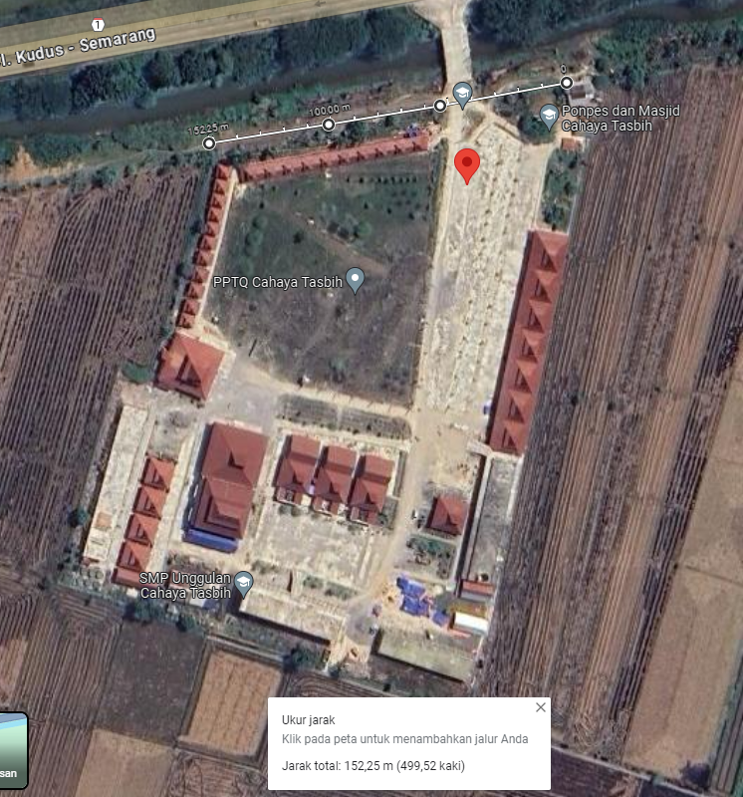
PETA LOKASI PELANGGAN

KOORDINAT : -6.867442, 110.754870

